Introduction
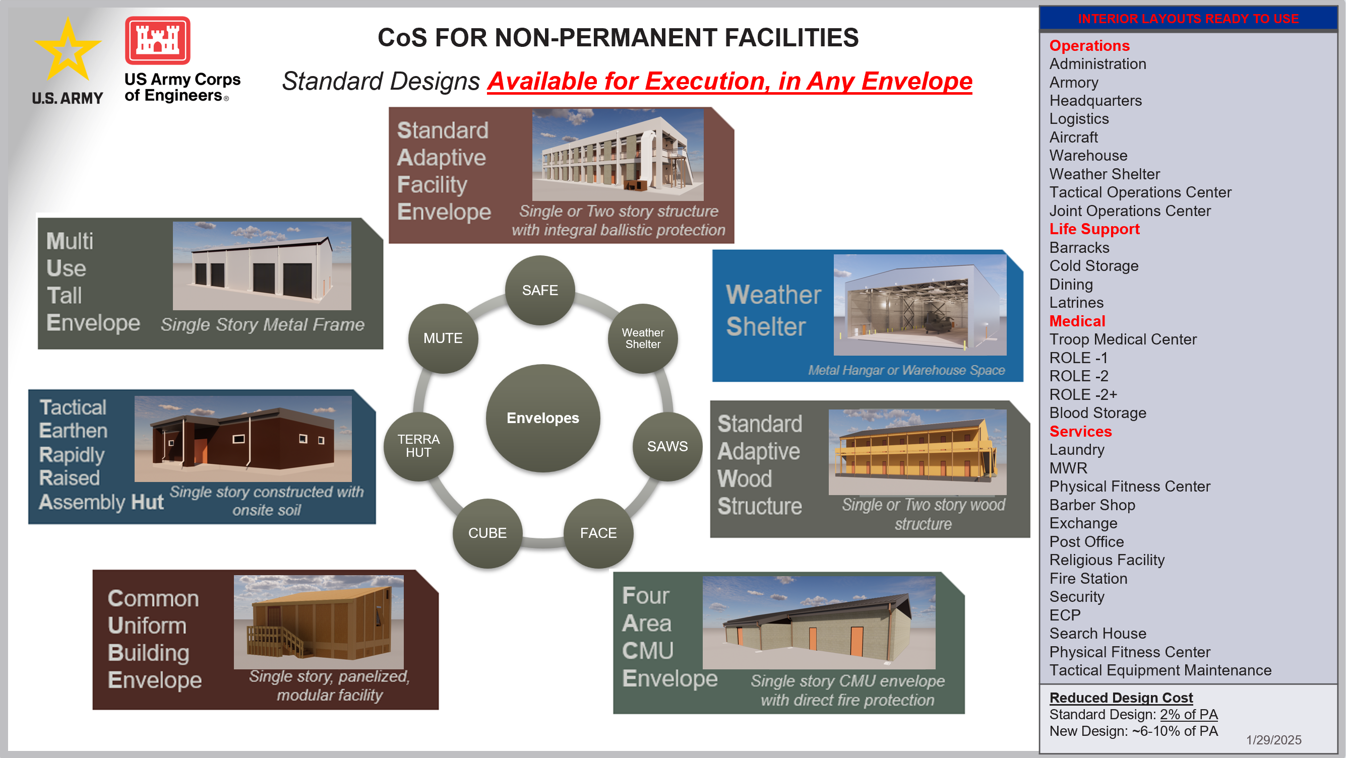

Last Updated: January 29, 2025

COS
Non-Permanent Design Menu |  | CoS Non-Permanent Design Builder
Roof Type
Roof Type
Facility Envelope Type
Single Bay Envelope

Single Story Envelopes |  |  |  |  |  |  | Center of Standardization for Nonpermanent Facilities

 |  |  |  |  |  |  | Design Title
 |  |  |  |  |  |  | Blank Floor Plan

Multiple Story Options
 |  |  |  |  |  |  | Rough Order of Magnitude (ROM)
 |  |  |  |  |  |  | ACF | 1.23
 |  |  |  |  |  |  | $/Unit | $2,307
Interior Type |  |  |  |  |  |  | Size (M2) | 442.5
 |  |  |  |  |  |  | ROM Breakdown
 |  |  |  |  |  |  | Roof | $202,950
 |  |  |  |  |  |  | Envelope | $817,950
 |  |  |  |  |  |  | Interior | $0
 |  |  |  |  |  |  | Total Facility | $1,020,900
 |  |  |  |  |  |  | CoS Oversite (2%) | $20,418
 |  |  |  |  |  |  | Total ROM | $1,041,318
 |  |  |  |  |  |  | NOTE: This ROM does not include any FF&E, site work or utility connections. Area Cost Factors are based on 2022 PAX Newsletter.

 |  |  |  |  |  |  | Description
 |  |  |  |  |  |  | a "bay" consists of a 24'x16' section. The default SAFE Envelope consists of 14 Bays. The facilities can be stretched or shortened modularly per "bay" width Construction Material: Concrete Frame with CMU Infill Roof Type: Protected structure with integral protective roof Occupancy: semi-permanent facility to be occupied no more than 25 years.

Interior Layout
Roof Type | Proposed Location
 |  |  | Design Preview
 |  |  | Design Selection Criteria
 |  |  | Roof Type: | Protected Roof w/Parapet | Stories | Single Story
Construction Labor |  |  | Proposed Location | California | Dimensions | 14 Bay, 9.8m x 34.3m, 442.5 m2
 |  |  | Labor Execution: | Contractor | R-value | Wall 20; Roof 40
 |  |  | Interior Layout Detail | #N/A | Construction Material | Concrete Framing w/ CMU infill

